records
Sample Measurement Record
Mano Engineering LLC |  |  |  |  |  |  |  |  |  |  |  |  |  | Part No. 10001
No. | A | B | C | D | E | F | G | H | I | J | K | L | M | N
1 | 0.2075 | 4.9485 | 2.4965 | 0.19 | 0.19 | 0.976 | 0.39 | 0.1345 | 4.9725 | 2.4755 | 1.2445 | 0.9615 | 2.4945 | 70 - 74
2 | 0.2055 | 4.9285 | 2.4965 | 0.1845 | 0.191 | 0.9795 | 0.39 | 0.132 | 4.961 | 2.465 | 1.2435 | 1.052 | 2.4935 | 70 - 72
3 | 0.208 | 4.9420 | 2.4965 | 0.1895 | 0.187 | 0.9775 | 0.3875 | 0.1365 | 4.97 | 2.453 | 1.2415 | 0.1082 | 2.4995 | 70 - 75
4 | 0.2055 | 4.9330 | 2.4965 | 0.192 | 0.188 | 0.98 | 0.388 | 0.1345 | 4.9695 | 2.459 | 1.244 | 1.0055 | 2.492 | 72 - 75
5 | 0.206 | 4.9290 | 2.507 | 0.1915 | 0.1855 | 0.9745 | 0.386 | 0.1345 | 4.966 | 2.477 | 1.2565 | 0.9975 | 2.4925 | 70 - 74
I
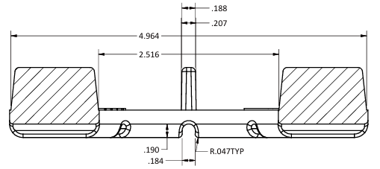
B
A
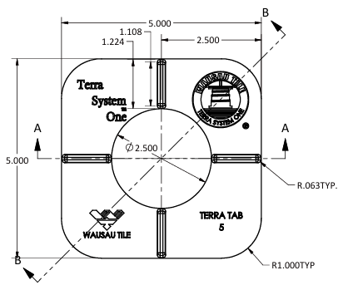
K
J
C

D
M
E

F
G

L

H
N

